Data
Price and Accuracy of Stereo Speakers (n = 27)

Speaker | Price | Accuracy
1 | 450 | 79
2 | 200 | 91
3 | 280 | 91
4 | 400 | 84
5 | 300 | 90
6 | 200 | 88
7 | 400 | 94
8 | 85 | 82
9 | 600 | 84
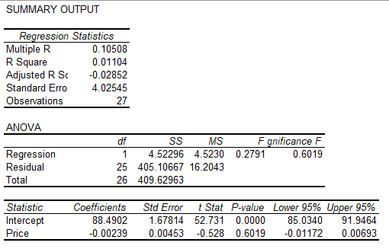
10 | 400 | 86
11 | 300 | 94
12 | 300 | 90
13 | 500 | 83
14 | 300 | 89
15 | 100 | 92
16 | 700 | 90
17 | 700 | 82
18 | 300 | 90
19 | 220 | 89
20 | 100 | 86
21 | 370 | 88
22 | 150 | 83
23 | 600 | 94
24 | 150 | 89
25 | 260 | 88
26 | 180 | 86
27 | 330 | 86

